KKO
KAJIAN KELAYAKAN OPERASI

DAYA LAMA |  |  |  | DAYA BARU
Nama Pelanggan | : | ADY SETIAWAN |  | Nama Pelanggan | : | ADY SETIAWAN
Daya Lama (VA) | : | 0 |  | Daya Baru (VA) | : | 11000
Jumlah Fasa | : | 1 | * | Jumlah Fasa | : | 1
Tegangan Sekunder Pengukuran rata-rata (Fasa-Netral) (V) | : | 220 | * | Tegangan Sekunder Pengukuran rata-rata (Fasa-Netral) (V) | : | 220
Beban Pelanggan (A) | : | 0.00 |  | Beban Pelanggan (A) | : | 50.14

SUPLAI TRAFO EKSISTING |  |  |  | SUPLAI TRAFO RENCANA
Nomor Tiang | : |  |  | Nomor Tiang | : | PWI05
Penyulang | : |  |  | Penyulang | : | PWI05
Daya | : |  | * | Daya | : | 50
Jumlah Fasa | : |  | * | Jumlah Fasa | : | 1
Beban TRAFO (Pengukuran Lapangan) |  | 0 |  | Beban TRAFO | : | 50.14
Beban Primer | : | 0.00 | * | Beban Primer | : | 4.33
Beban Sekunder | : | 0.00 | * | Beban Sekunder | : | 227.90
Beban (A) | : | 0.00 |  | Beban (A) | : | 0.23
Prosentase Pembebanan | : | #DIV/0! |  | Beban (A) | : | 22%
 | 22% | 100%
Prosentase Pembebanan | : | 100% |  | Beban (A) | : | 100%

DATA





DATA
Tahun | : | 2023
Discount Rate | : | 12%
Transfer price TM | : | 1,084 |  | Marginal COST maret 2022
Umur ekonomis (tahun) | : | 25.00
Selisih Susut Teknis | : | 2.25%
∑ Daya | : | 11
BP (Rp) | : | 10,659,000
RAB (Rp) | : | 82,563,482
Biaya O&M (2% invest) | : | 1,651,269.63

Nama Pelanggan | : | ADY SETIAWAN | *
Golongan Pelanggan | : | S2 | *
Jenis Layanan | : | REGULER | *
Daya Lama (kVA) | : | - | *
Daya Baru (kVA) | : | 11.00 | *
Tarif WBP (Rp/kWh) | : | 900.00 | *
Tarif LWBP (Rp/kWh) | : | 900.00 | *
BP (Rp/VA) TR | : | 969 | *
Jam Nyala | : | 40 | *

RAB
 |  | PT. PLN ( PERSERO )
 |  | UNIT INDUK DISTRIBUSI JAWA TENGAH & DI YOGYAKARTA |  |  |  |  |  |  |  |  |  |  | RAB TOTAL
 |  | UP3 DEMAK |  |  |  |  |  |  |  |  |  | RAB TOTAL | RAB NON MDU
 | RENCANA ANGGARAN BIAYA (RAB)

 |  |  |  | Pekerjaan | : | ADY SETIAWAN
 |  |  |  | Lokasi | : | DS PUTAT
 |  |  |  | Pelaksana | : | PT. PLN (PERSERO) UP3 DEMAK
 |  |  |  | Anggaran | : | SAR 2023

Note !! 1. Saat Pengisian Uraian di mohon memasukan nama material sesuai dengan nama material di harga satuan
2. Mohon di cek kembali saat pengisian volume material
3. Untuk program Sarana Penunjang Fungsi tidak perlu SLO.
 | NO | URAIAN | GOL | SAT | VOL | HARGA SATUAN | BIAYA YANG DIPERLUKAN ( Rp )
 |  |  |  |  |  |  | MDU | HARDWARE | JASA | JUMLAH

 |  |  |  |  |  | 0 | 0 | 0 | 0 | 0
#REF! | I | PEMASANGAN TIANG |  |  |  | 0 | 0 | 0 | 0 | 0
 | 1 | Tiang Beton 9M-200 daN+E | HDW | Btg | 4 | 3,382,600 | 0 | 13,530,400 | 0 | 13,530,400
 | 2 | Penomoran Tiang | JASA | Btg | 4 | 10,067 | 0 | 0 | 40,267 | 40,267
 | II | PEMASANGAN KONSTRUKSI |  |  |  | 0 | 0 | 0 | 0 | 0 | #REF!
 | + | Trafo 1 Fasa CSP 50 KVA (G105, G106, G136) |  | Unit | 1 | 0 | 0 | 0 | 0 | 0 | #REF!
 | 1 | Trafo 1 Fasa CSP 50 kVA | MDU-KD | Bh | 1 | 27,845,400 | 27,845,400 | 0 | 0 | 27,845,400
 | 2 | Jumper Wire : |  |  |  | 0 | 0 | 0 | 0 | 0
 |  | AAAC 70 mm² | MDU-KD | Mtr | 9 | 14,200 | 127,800 | 0 | 0 | 127,800
 |  | NFA2X-T 2 x 70 + N 50 mm² | MDU-KD | Mtr | 3 | 53,300 | 159,900 | 0 | 0 | 159,900
 | 3 | Hot Line Clamp ( 35mm² s/d 70 mm² ) | HDW | Bh | 3 | 87,000 | 0 | 261,000 | 0 | 261,000
 | 4 | Bracket band segment,vertikal plat ( Hot dip galvanis ) | HDW | Bh | 3 | 404,600 | 0 | 1,213,800 | 0 | 1,213,800
 | 5 | Compresion Conector H type 70 mm² / 70 mm² | HDW | Bh | 3 | 15,900 | 0 | 47,700 | 0 | 47,700
 | 6 | Compresion Terminal Lug 70 mm² | HDW | Bh | 13 | 17,100 | 0 | 222,300 | 0 | 222,300
 | 7 | Sepatu Kabel AL/CU Ring-70 mm² | HDW | Bh | 28 | 49,000 | 0 | 1,372,000 | 0 | 1,372,000
 | 8 | Armour Rod # for 70 mm² | HDW | Set | 2 | 67,800 | 0 | 135,600 | 0 | 135,600
 | 9 | Ground wire Cu 16 mm² | HDW | Mtr | 3 | 30,000 | 0 | 90,000 | 0 | 90,000
 | 10 | Upah Pasang Trafo 1 Fasa 50 KVA + Bracket | JASA | Unit | 5 | 346,400 | 0 | 0 | 1,732,000 | 1,732,000
 |  |  |  |  |  | 0 | 0 | 0 | 0 | 0
 | + | CJ5-T |  | Unit | 5 | 0 | 0 | 0 | 0 | 0
 | 1 | Plastic Strap for Clamping | HDW | Bh | 5 | 4,212 | 0 | 21,060 | 0 | 21,060
 | 2 | Stainless Steel Strap 20 x 0.7 mm | HDW | Mtr | 5 | 23,310 | 0 | 116,550 | 0 | 116,550
 | 3 | Stopping Buckle / Yokes | HDW | Bh | 5 | 2,300 | 0 | 11,500 | 0 | 11,500
 | 4 | Suspension / Small Angle Assembly | HDW | Bh | 5 | 71,000 | 0 | 355,000 | 0 | 355,000
 | 5 | Upah Pasang Konst. JTR J5-T | JASA | Unit | 5 | 29,400 | 0 | 0 | 147,000 | 147,000
 |  |  |  |  |  | 0 | 0 | 0 | 0 | 0
 | + | CJ6-T |  | Unit | 4 | 0 | 0 | 0 | 0 | 0
 | 1 | Dead End Assembly | HDW | Bh | 4 | 78,500 | 0 | 314,000 | 0 | 314,000
 | 2 | Plastic Strap for Clamping | HDW | Bh | 4 | 4,212 | 0 | 16,848 | 0 | 16,848
 | 3 | Stainless Steel Strap 20 x 0.7 mm | HDW | Mtr | 4 | 23,310 | 0 | 93,240 | 0 | 93,240
 | 4 | Stopping Buckle / Yokes | HDW | Bh | 4 | 2,300 | 0 | 9,200 | 0 | 9,200
 | 5 | Upah Pasang Konst. JTR J6-T | JASA | Unit | 4 | 35,700 | 0 | 0 | 142,800 | 142,800
 |  |  |  |  |  | 0 | 0 | 0 | 0 | 0
 | + | CM2-12 |  | Unit | 4 | 0 | 0 | 0 | 0 | 0
 | 1 | Bimetalic Connector 35 - 240 mm² | HDW | Bh | 4 | 47,459 | 0 | 189,836 | 0 | 189,836
 | 2 | Ground wire Cu 16 mm² | HDW | Mtr | 3.2 | 30,000 | 0 | 96,000 | 0 | 96,000
 | 3 | Ground rod & Washer | HDW | Bh | 4 | 9,500 | 0 | 38,000 | 0 | 38,000
 | 4 | Upah Pasang Acc.Jar M2-12 | JASA | Unit | 4 | 16,200 | 0 | 0 | 64,800 | 64,800
 |  |  |  |  |  | 0 | 0 | 0 | 0 | 0
 | + | CM2-12A |  | Unit | 2 | 0 | 0 | 0 | 0 | 0
 | 1 | Bimetalic Connector 35 - 240 mm² | HDW | Bh | 2 | 47,459 | 0 | 94,918 | 0 | 94,918
 | 2 | Ground wire Cu 16 mm² | HDW | Mtr | 2 | 30,000 | 0 | 60,000 | 0 | 60,000
 | 3 | Ground rod & Washer | HDW | Bh | 2 | 9,500 | 0 | 19,000 | 0 | 19,000
 | 4 | Upah Pasang Acc.Jar M2-12A | JASA | Unit | 2 | 21,200 | 0 | 0 | 42,400 | 42,400
 |  |  |  |  |  | 0 | 0 | 0 | 0 | 0
 | + | CE1-2 |  | Unit | 2 | 0 | 0 | 0 | 0 | 0
 | 1 | Bolt Machine ⅝" x 10" | HDW | Bh | 2 | 26,500 | 0 | 53,000 | 0 | 53,000
 | 2 | Guy Attachment / Guy hok | HDW | Bh | 2 | 12,500 | 0 | 25,000 | 0 | 25,000
 | 3 | Guy Wire 35 mm² | HDW | Mtr | 24 | 24,300 | 0 | 583,200 | 0 | 583,200
 | 4 | Three Bolt Clamp | HDW | Bh | 4 | 40,000 | 0 | 160,000 | 0 | 160,000
 | 5 | Washer Square 2 ¼" | HDW | Bh | 2 | 2,500 | 0 | 5,000 | 0 | 5,000
 | 6 | Upah Pasang Acc.Jar E1-2 | JASA | Unit | 2 | 43,500 | 0 | 0 | 87,000 | 87,000
 |  |  |  |  |  | 0 | 0 | 0 | 0 | 0
 | + | F1-2 |  | Unit | 2 | 0 | 0 | 0 | 0 | 0
 | 1 | Rod Anchor ⅝" x 7' | HDW | Bh | 2 | 104,200 | 0 | 208,400 | 0 | 208,400
 | 2 | Expanding Anchor 8.000 lbs | HDW | Bh | 2 | 120,000 | 0 | 240,000 | 0 | 240,000
 | 4 | Kousen | HDW | Bh | 2 | 4,500 | 0 | 9,000 | 0 | 9,000
 | 3 | Upah Pasang Acc.Jar F1-2 | JASA | Unit | 2 | 55,500 | 0 | 0 | 111,000 | 111,000
 |  |  |  |  |  | 0 | 0 | 0 | 0 | 0
 |  |  |  |  |  | 0 | 0 | 0 | 0 | 0
 | + | CM2-11M |  | Unit | 2 | 0 | 0 | 0 | 0 | 0
 | 1 | Ground rod ⅝" x 8" Copper Weld | HDW | Bh | 2 | 185,200 | 0 | 370,400 | 0 | 370,400
 | 2 | Bimetalic Connector 35 - 240 mm² | HDW | Bh | 2 | 47,459 | 0 | 94,918 | 0 | 94,918
 | 3 | Clamp Ground Rod ⅝" | HDW | Bh | 2 | 4,880 | 0 | 9,760 | 0 | 9,760
 | 4 | Ground wire Cu 16 mm² | HDW | Mtr | 20 | 30,000 | 0 | 600,000 | 0 | 600,000
 | 5 | Ground rod & Washer | HDW | Bh | 4 | 9,500 | 0 | 38,000 | 0 | 38,000
 | 6 | Pipa PVC ½" | HDW | Bh | 11 | 6,100 | 0 | 67,100 | 0 | 67,100
 | 7 | Stopping Buckle / Yokes | HDW | Bh | 12 | 2,300 | 0 | 27,600 | 0 | 27,600
 | 8 | Stainless Steel Strap 20 X 0.7 mm | HDW | Mtr | 9.6 | 23,310 | 0 | 223,776 | 0 | 223,776 | #REF!
 | 9 | Upah Pasang Acc.Jar M2-11M | JASA | Unit | 2 | 65,400 | 0 | 0 | 130,800 | 130,800 | #REF!
 | III | PEKERJAAN PEMASANGAN KONDUKTOR |  |  |  | 0 | 0 | 0 | 0 | 0
 | 1 | NFA2X-T 2 x 70 + N 70 mm² | MDU-KD | Mtr | 350 | 53,300 | 18,655,000 | 0 | 0 | 18,655,000
 | 2 | Upah Pasang Penghantar TR LVTC 2x70 + 1x50mm² | JASA | Per 50 m | 7 | 179,000 | 0 | 0 | 1,253,000 | 1,253,000
 |  |  |  |  |  | 0 | 0 | 0 | 0 | 0
 |  |  |  |  |  | 0 | 0 | 0 | 0 | 0
 |  |  |  |  |  | 0 | 0 | 0 | 0 | 0 | #REF!
 | IV | PEMASANGAN APP |  |  |  | 0 | 0 | 0 | 0 | 0
 | + | Daya 11.000 VA |  | Unit | 1 | 0 | 0 | 0 | 0 | 0
 | 1 | KWH MPB; 1P;230V;5(60)A;1;2W | MDU-KD | Bh | 1 | 327,600 | 327,600 | 0 | 0 | 327,600
 | 2 | MCB 1 Fasa 50 A | MDU-KD | Bh | 1 | 39,000 | 39,000 | 0 | 0 | 39,000
 | 3 | NFA2X 2 x 16 mm² | MDU-KD | Mtr | 35 | 6,600 | 231,000 | 0 | 0 | 231,000
 | 4 | Upah Pasang SR + APP 1 Fasa | JASA | Unit | 1 | 54,400 | 0 | 0 | 54,400 | 54,400
 |  |  |  |  |  | 0 | 0 | 0 | 0 | 0
 |  |  |  |  |  | 0 | 0 | 0 | 0 | 0
 | + | CM2-11 |  | Unit | 1 | 0 | 0 | 0 | 0 | 0
 | 1 | Ground rod ⅝" x 8" Copper Weld | HDW | Bh | 1 | 185,200 | 0 | 185,200 | 0 | 185,200
 | 2 | Bimetalic Connector 35 - 240 mm² | HDW | Bh | 1 | 47,459 | 0 | 47,459 | 0 | 47,459
 | 3 | Ground wire Cu 16 mm² | HDW | Mtr | 1.5 | 30,000 | 0 | 45,000 | 0 | 45,000
 | 4 | Ground rod & Washer | HDW | Bh | 2 | 9,500 | 0 | 19,000 | 0 | 19,000
 | 5 | Upah Pasang Acc.Jar M2-11 | JASA | Unit | 1 | 56,400 | 0 | 0 | 56,400 | 56,400
 |  |  |  |  |  | 0 | 0 | 0 | 0 | 0
 |  | SLO |  |  |  | 0 | 0 | 0 | 0 | 0 | #REF!
 | 1 | Sertifikasi Laik Operasi | JASA | Lot | 1 | 2.5% | 1,184,643 | 532,994 | 96,547 | 1,814,183
 |  |  |  |  |  |  | 0 | 0 | 0 | 0

 |  | Jumlah MDU - Hardware - Jasa |  |  |  | : | 48,570,343 | 21,852,759 | 3,958,413 | 74,381,515
 |  | PPN 11% |  |  |  | : | 5,342,738 | 2,403,804 | 435,425 | 8,181,967
 |  | Jumlah Total |  |  |  | : | 53,913,080 | 24,256,563 | 4,393,839 | 82,563,482 | 201,265,205
 | Terbilang : Delapan Puluh Dua Juta Lima Ratus Enam Puluh Tiga Ribu Empat Ratus Delapan Puluh Dua Rupiah

 | Harga yang dipakai adalah RAB HSS 2023

 |  |  |  |  |  |  |  | Demak, 30Agustus 2023
 |  |  |  |  |  |  |  | ASMAN PERENCANAAN

 |  |  |  |  |  |  |  | VALENTHINA EKA SABTI WONOHUSODO

GAMBAR
 | PT. PLN (PERSERO) UP3 DEMAK

-7.067719, 110.884574 | Keterangan Gambar :
 | No | Nama Material |  |  | Baru |  | Eksisting
 | 1 | Tiang Beton
 | 2 | Tiang Besi
 | 3 | JTM 3 Fasa
 | 4 | JTM 1 Fasa
 | 5 | JTR 1 Fasa Only / UB
 | 6 | JTR 3 Fasa Only / UB
PWI05-51
1 C12-200
1 CC1-A
1 CC7
1 G105 50KVA
2 CM2-11M
1 CJ6-T
 | 7 | Trafo 1 Fasa
 | 8 | Trafo 3 Fasa
s
s
 | 9 | Fuse Cut Out
 | 10 | ABSW
 | 11 | Vang Net
 | 12 | Schoor
1 C9-200
1 CJ5-T
 | 13
1 Ph 50 kVA
1 C9-200
2 CJ6-T
1 CE1-2
1 F1-2
1 CM2-12A
s
s
1 C9-200
1 CJ5-T
 | Bongkar Pasang Konstruksi :
 | Pasang |  |  |  | Bongkar
 | G105 50KVA |  | UNIT | 1
 | CM2-12 |  | UNIT | 4
 | CM2-12A |  | UNIT | 2
1 C9-200
1 CJ5-T
1 CM2-12
 | CM2-11M |  | UNIT | 2
 | SR APP 11 KVA |  | UNIT | 1
 | CJ6-T |  | UNIT | 4
 | CJ5-T |  | UNIT | 5
1 C9-200
1 CJ5-T
1 CM2-12
 | CE1-2 |  | UNIT | 2
 | F1-2 |  | UNIT | 2
 | C9-200 |  | UNIT | 4

1 C9-200
1 CJ5-T
1 CM2-12
 | LVTC 2X70+70 |  | MTR | 350

1 C9-200
1 CJ6-T
1 CE1-2
1 F1-2
1 CM2-12A
1 CM2-12

APP 1P 11KVA PRABAYAR
SR 2X16 = 35 M
1 CM2-11
 | Keterangan Tambahan : https://goo.gl/maps/BBmyPAdWKc4wmTC86

 | Golongan
 | No. Gambar |  | 1 |  |  | Lembar |  | dr
 | Gambar dari |  |  |  |  | Skala
 | Perihal:
 | PB ADY SETIAWAN 11KVA

 | Digambar |  | Spv. Rensis
 | Diperiksa |  | Man. Perencanaan
 | Diketahui |  | Man. Perencanaan
 | Disetujui |  | Manager

1 CG 313-A
1 C12-350E
1 CC7
3 CM2-11M
1 CM2-12
1 CM2-12A
1 F1-2
1 CE1-2

RUMAH SAKIT TRIMEDIKA
35
35
JL.PURWODADI-SUKOLILO-PATI

K2-541 B
1 C12-350E
1 CC1-A
1 CM2-12
1 CJ6-T
K2-541 A
1 C12-350E
1 CC8-AN
1 CM2-12
1 F1-2
1 CE1-2
K2-541
1 C12-350E
1 CC1
1 CC7
2 CM5-5
3 Ph 160 kVA

Peta lokasi
PETA LOKASI

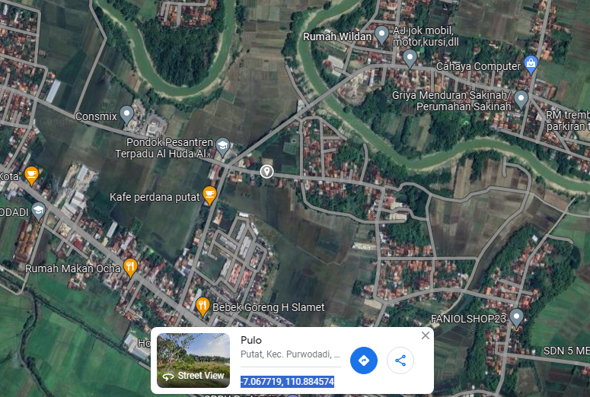

RS TRI MEDIKA KETAPANG

SLD
SINGLE LINE DIAGRAM LOKASI

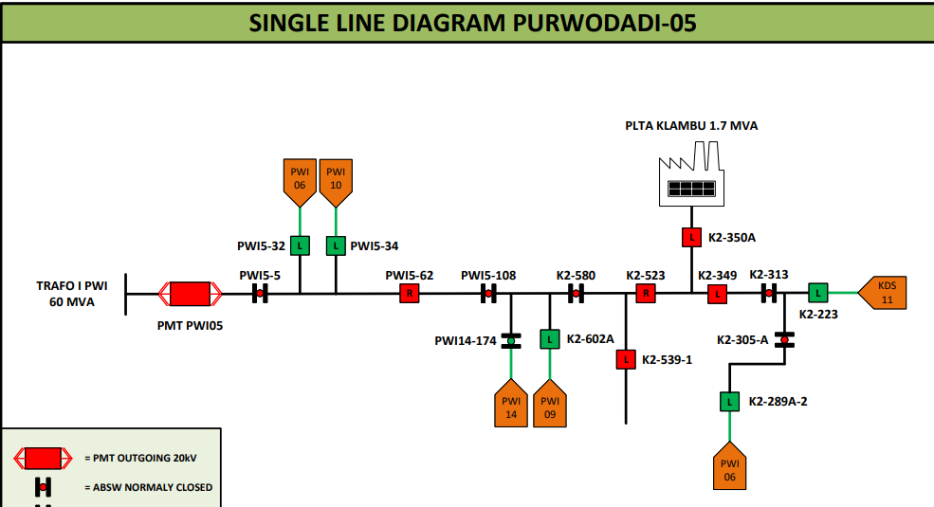

lokasi

